Sheet1
 | Accuracy
5 | 0.79
10 | 0.79
15 | 0.8
20 | 0.8
25 | 0.8
Accuracy Vs. Informative Samples |  | Accuracy Vs. Informative Samples
Train data samples 269 |  | Train data samples 142
num Samples | Accuracy | num Samples | Accuracy
0 | 0.78 | 0 | 0.72
5 | 0.79 | 5 | 0.72
10 | 0.79 | 10 | 0.73
15 | 0.8 | 15 | 0.73
20 | 0.8 | 20 | 0.73
25 | 0.8 | 25 | 0.73
 |  |  |  | Clustering with Intensity Noise
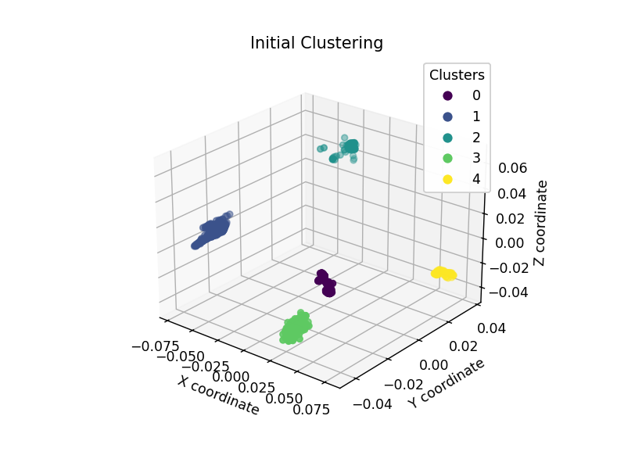
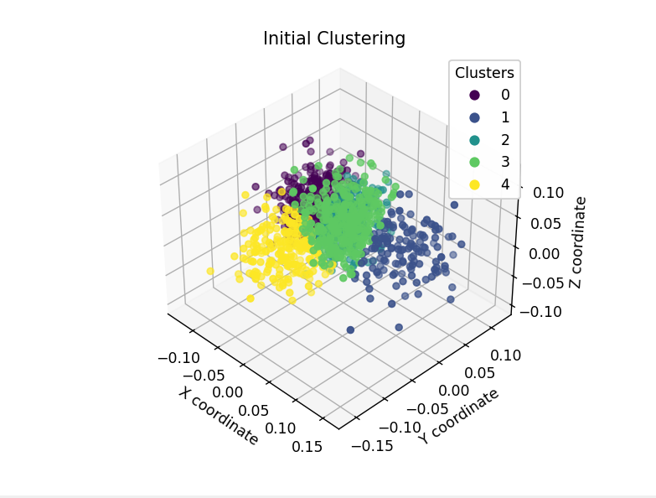

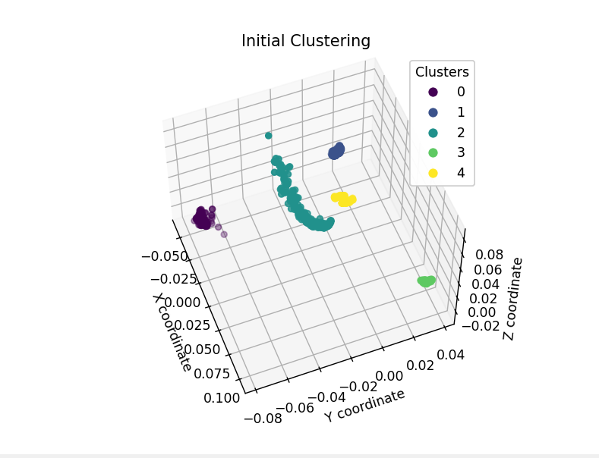
Accuracy Vs. Train Samples
Informative samples 15
Train Samples | Accuracy
142 | 0.73
269 | 0.76
397 | 0.76
524 | 0.74
652 | 0.74
1034 | 0.73
1161 | 0.73

